Pivot Table
Avg Income Per Purchase

Average of Income | Column Labels
Row Labels | No | Yes | Grand Total
Female | 53440 | 55774 | 54581
Male | 56208 | 60124 | 58063
Grand Total | 54875 | 57963 | 56360

Customer Commute
Count of Purchased Bike | Column Labels
Row Labels | No | Yes | Grand Total
0-1 Miles | 166 | 200 | 366
1-2 Miles | 92 | 77 | 169
2-5 Miles | 67 | 95 | 162
5-10 Miles | 116 | 76 | 192
10 Miles + | 78 | 33 | 111
Grand Total | 519 | 481 | 1000

Customer Age Brackets
Count of Purchased Bike | Column Labels
Row Labels | No | Yes | Grand Total
Adolescent | 71 | 39 | 110
Middle Age | 331 | 388 | 719
Old | 117 | 54 | 171
Grand Total | 519 | 481 | 1000

Dashboard
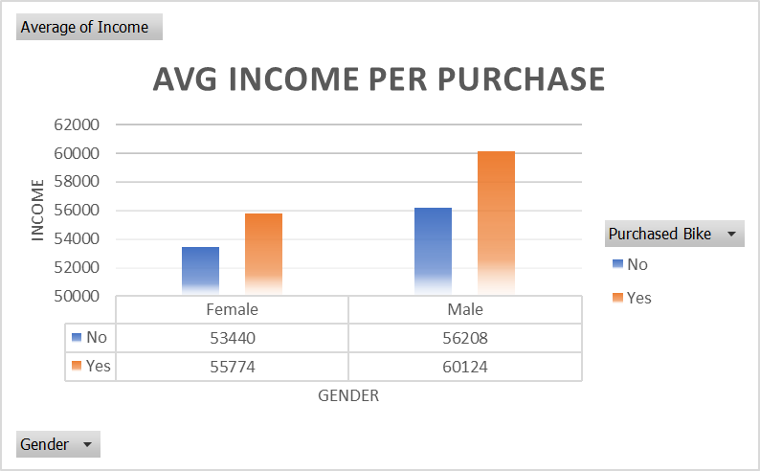
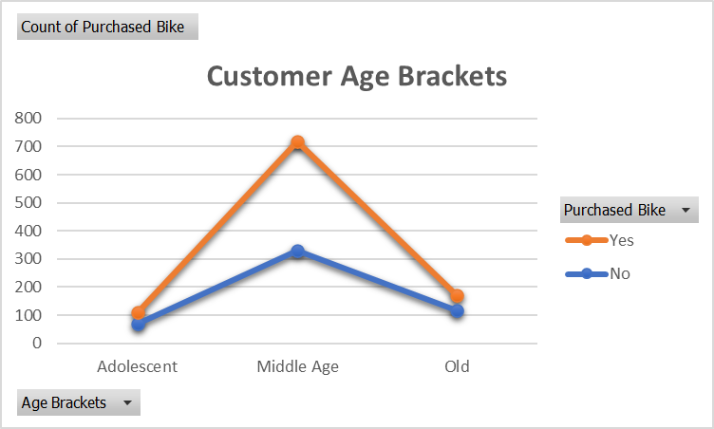
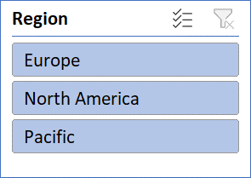
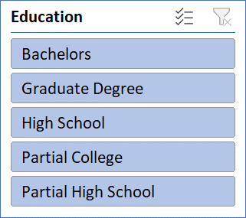
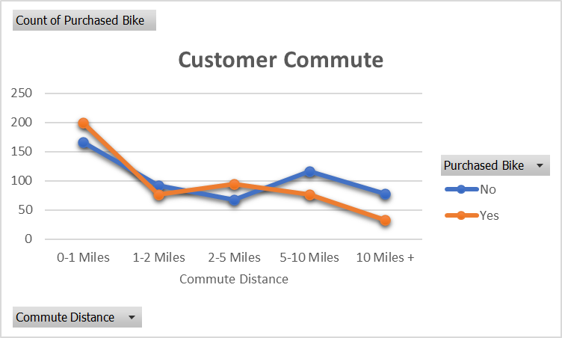
Bike Sales Dashboard

